Le Coq Sportif
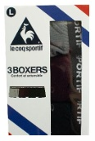
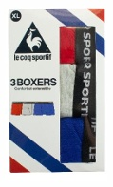
Photo | Article | Model | S | M | L | XL | XXL | Total | RRP/UVP | Carton | COO | Composition | Composition
 | K46932CO | Le Coq Sportif Grey/Bordeaux/Black 3-Pack Boxers | 200 | 600 | 1000 | 400 | 200 | 2400 | € 27.95 | 48 | China | 95% Cotton , 5% Elasthane | 61071100
 |  | Prepacked | 4 | 12 | 20 | 8 | 4 | 48
 | K46938CO | Le Coq Sportif Red/Grey/Blue 3-Pack Boxers | 80 | 160 | 400 | 240 | 80 | 960 | € 27.95 | 48 | China | 95% Cotton , 5% Elasthane | 61071100
 |  | Prepacked | 4 | 8 | 20 | 12 | 4 | 48

